Q.2
2. What is Class Module and what is the difference between a Class Module and a Module?

Class module in VBA can be defined as the module that helps to create your own objects with your own properties and methods like worksheets and range objectives of excel.
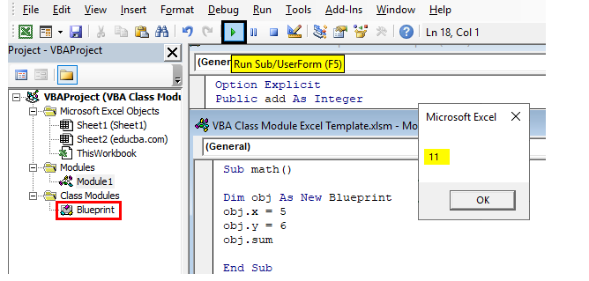

Class Modules vs. Modules The class modules work in a very different way to the ordinary modules in that they facilitate creating a Component Object Model (COM) which can then be used within your normal VBA code Effectively, you create an object which works in the same way as a built in Excel object such as ‘Worksheets’. In the Worksheets Object, you have a number of properties and methods which allow you to get the number of worksheets within a workbook or each individual name of a worksheet, or numerous other information When you create a new Object in this way, you are creating a building block which can be used anywhere within VBA. The Object has a number of properties and methods that can be accessed by your VBA code from anywhere within the workbook without having to keep re-writing the code over again. As well as referring to your new object from a standard VBA module, you can also use it in the code behind a UserForm that is part of your custom application You can also use it where you have placed Active X controls onto a worksheet, such as a command button or a drop down. These controls all use VBA, and your new object can easily be incorporated into the event code for these controls. You can also turn your object into an Excel add-in. Your object will automatically be available to other users who have that add-in loaded. This adds your own multi-tier architecture to your Excel application Excel is a multi-tiered application. There is the client services layer, which drives the actual worksheet window that that the user is familiar with. The Excel object model is the next layer underneath. Press F2 in a VBA module and you will be able to see the huge number of objects and members of those objects that are the engine of Excel. Note that your new object will also be displayed here. Finally, underneath all of this, you have the data services layer which holds all the data that you have entered into the worksheets and cells. Excel ac

Advantages of Using Class Modules
1. You can develop a robust building block which can be used in any number of different Excel applications
2. Once it is thoroughly tested, then is can be relied on to always produce the correct results in the same way as the built-in Excel objects
3. If updates are made to code elsewhere in the application, the new object will still continue to work in the same way
4. You can use your new object in other Excel applications as an add-in
5. The objects can be re-used in other applications and helps in debugging
Disadvantages of Using Class Modules
1. They can be difficult to create and understand.
2. Naming conventions are very important because this is what you will see when use your object within a normal module.
3. If you have not created a class module before, they can be difficult to understand and there is a steep learning curve
4. Impossible to make changes at run-time – you have to re-set the project.
5. If Properties and Private Variables have the same name then infinite loops can occur resulting in errors

Q.6
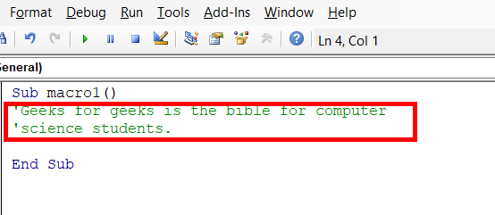
6. How do you add comments in a VBA code? How do you add multiple lines of comments in a VBA code?

VBA Comments
Comments are the lines in the code that are ignored while executing the code. These are represented as green text in the code. The comments help describe the written code. Knowing the correct use of comments is very important because while working with long and complex code, comments help us identify which part of code does what. It is very helpful for development purposes.

Adding Single Line comment in VBA
Step 1: Click on the line where you want to insert a comment.
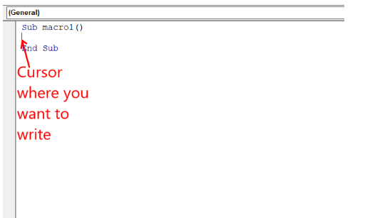

Step 2: Type an Apostrophe( ‘ ) at the start of a line.
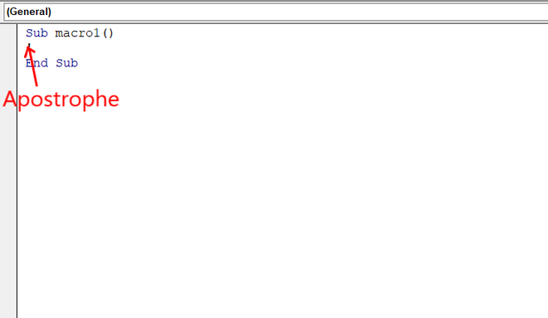

Step 3: Write the comment you want.
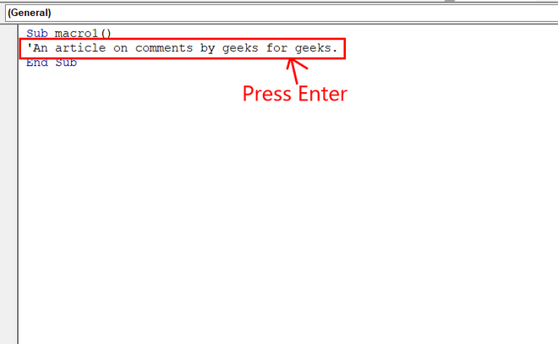

Step 4: Press Enter and you fill find the comment written to be green.

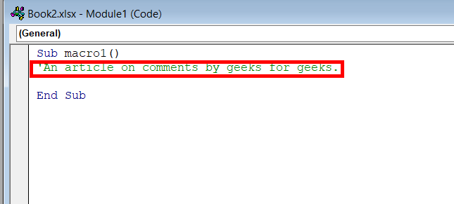

Adding Multi-Line comment in VBA
We can add comments in multiple lines. We use multi-line comments when we have to add points in our description or the description is long.

Step 1: Keep your cursor on the Tool Bar.

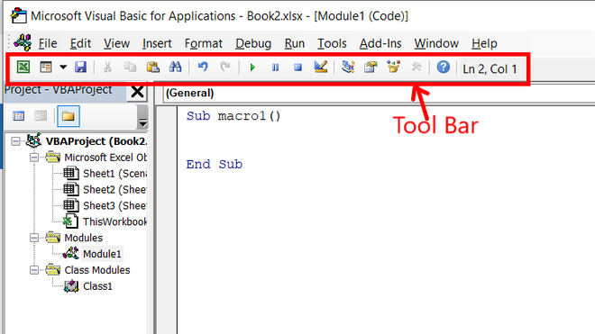

Step 2: Right-click on the Tool Bar and click on edit. An extended Tool Bar appears. Drag and place it in the already existing Tool Bar.

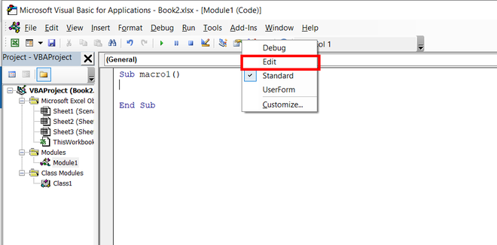

Step 3: Select the text you want to comment on and click on Comment Block.

The entire selected text got commented.

